Customer List
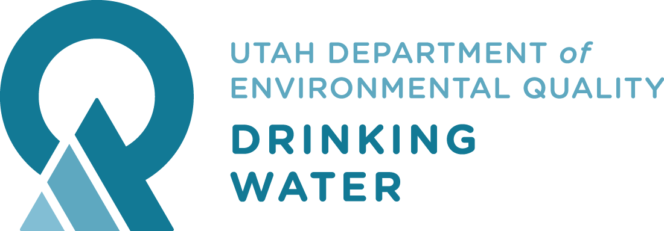
Reporting Month | Reporting Year | Percentage of Population Served by an Approved Public Water System | Percentage of Public Water System in Compliance with the Division of Drinking Water | goal | goal?
 |  | Percentage of Population Served by an Approved Public Water System
2019-December | 2019 | 99.5% | 92.4%
2020-January | 2020 | 99.5% | 92.4%
2020-February | 2020 | 99.5% | 92.4%
2020-March | 2020 | 99.5% | 92.3%
2020-April | 2020 | 99.5% | 91.7%
2020-May | 2020 | 99.5% | 91.7%
2020-June | 2020 | 99.5% | 91.7%
2020-July | 2020 | 99.5% | 91.7%
2020-August | 2020 | 99.3% | 91.6%
2020-September | 2020 | 99.3% | 91.6%
2020-October | 2020 | 98.6% | 92.0%
2020-November | 2020 | 98.6% | 92.2%
2020-December | 2020
Division of Drinking Water Metrics Monthly COBI
 | Percentage of Population Served by an Approved Public Water System | Percentage of Public Water System in Compliance with the Division of Drinking Water
2019-December | 99.5% | 92.4%
2020-January | 99.5% | 92.4%
2020-February | 99.5% | 92.4%
2020-March | 99.5% | 92.3%
2020-April | 99.5% | 91.7%
2020-May | 99.5% | 91.7%
2020-June | 99.5% | 91.7%
2020-July | 99.5% | 91.7%
2020-August | 99.3% | 91.6%
2020-September | 99.3% | 91.6%
2020-October | 98.6% | 92.0%
2020-November | 98.6% | 92.2%
2020-December

